Feuil1 (2)
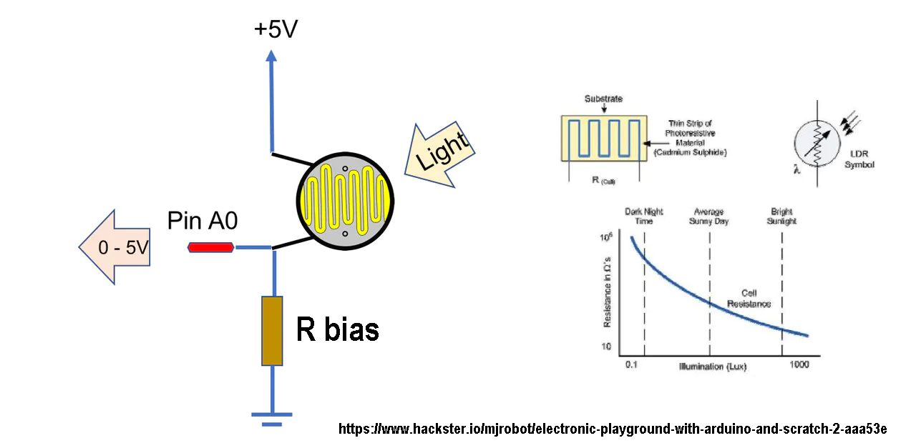
Bias 500k | Bias 100k | Bias 10k | VCC Arduino | Smallest Arduino ADC reading*2
500000 | 100000 | 10000 | 3.3 | 0.0064

 |  | LDR (Ohm) | V Measured @10k bias | V Measured @100k bias | V Measured @500k bias | <- Best measurement resolution of dark lighting condition is obtained with a large bias resistor, say 500k, which is what we want to have accurate door opening/closing at sunrise/sunset (this may vary with each LDR, you should measure its resistance at night)
 | Night | 2.00E+08 | 1.65E-04 | 1.65E-03 | 8.23E-03
 |  | 1.00E+08 | 3.30E-04 | 3.30E-03 | 1.64E-02
 |  | 5.00E+07 | 6.60E-04 | 6.59E-03 | 3.27E-02
 |  | 2.50E+07 | 1.32E-03 | 1.31E-02 | 6.47E-02
 |  | 1.25E+07 | 2.64E-03 | 2.62E-02 | 1.27E-01
 |  | 6.25E+06 | 5.27E-03 | 5.20E-02 | 2.44E-01
 |  | 3.12E+06 | 1.05E-02 | 1.02E-01 | 4.55E-01
 |  | 1.56E+06 | 2.10E-02 | 1.98E-01 | 8.00E-01
 |  | 7.81E+05 | 4.17E-02 | 3.74E-01 | 1.29E+00
 |  | 3.91E+05 | 8.24E-02 | 6.73E-01 | 1.85E+00
 |  | 1.95E+05 | 1.61E-01 | 1.12E+00 | 2.37E+00
 |  | 9.77E+04 | 3.07E-01 | 1.67E+00 | 2.76E+00
 |  | 4.88E+04 | 5.61E-01 | 2.22E+00 | 3.01E+00
 |  | 2.44E+04 | 9.59E-01 | 2.65E+00 | 3.15E+00
 |  | 1.22E+04 | 1.49E+00 | 2.94E+00 | 3.22E+00
 | Day | 6.10E+03 | 2.05E+00 | 3.11E+00 | 3.26E+00

